Sheet1
物品名称 | 用途 | 型号 | 数量 | 参考图片 | 参考链接 | 单价（元） | 总价（元） | 备注
12VPD诱骗线 | 便携式数据采集相机供电用 | Type-C转PD12V3A诱骗线 | 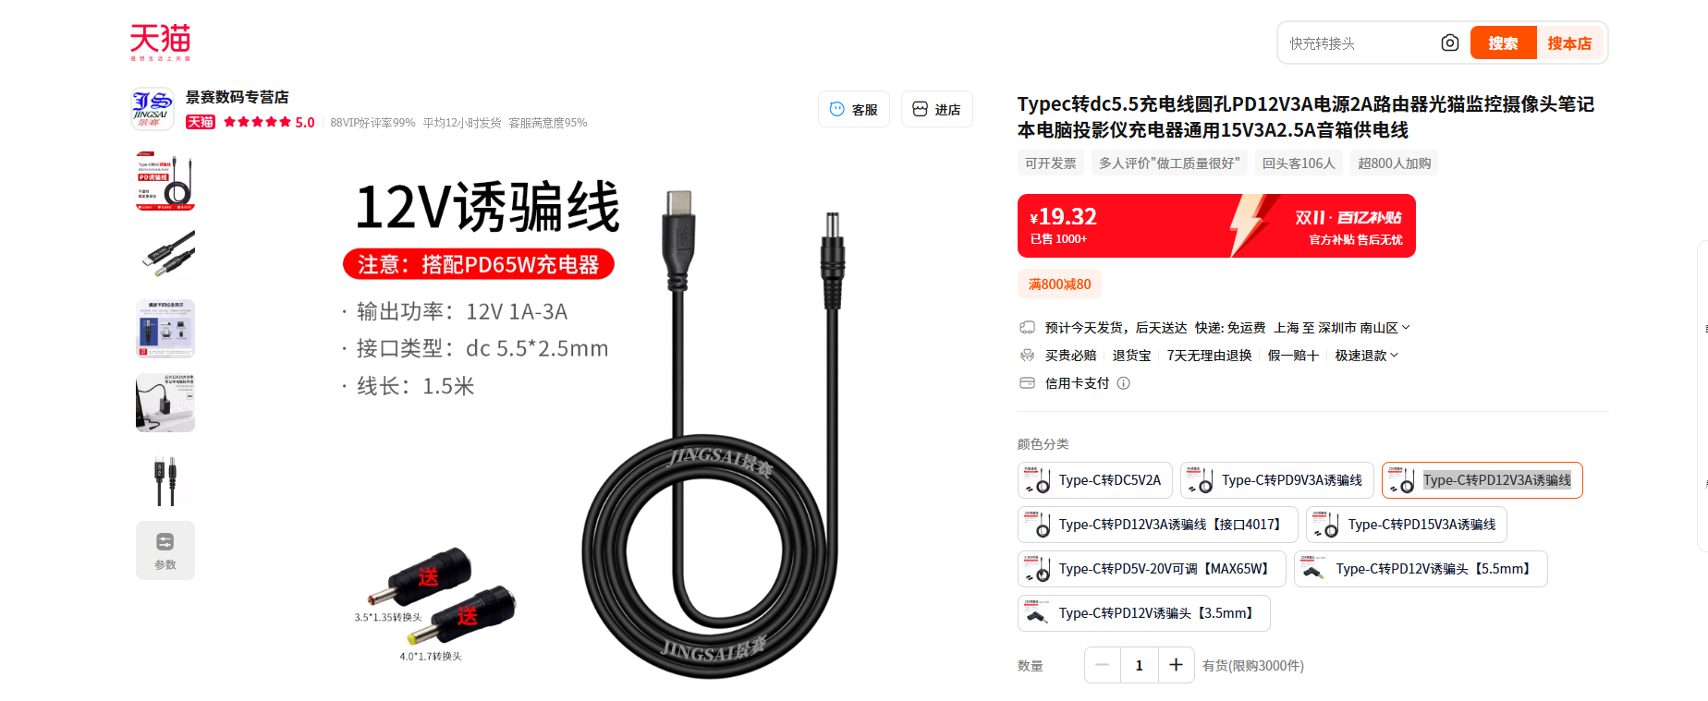 5 |  | https://detail.tmall.com/item.htm?ali_refid=a3_430673_1006%3A1103360719%3AN%3A%2FF94zS%2FyQcYnXu7pAglCCA%3D%3D%3Ab0a4eecbaa4b6b593b52d8781035511b&ali_trackid=1_b0a4eecbaa4b6b593b52d8781035511b&fpChannel=101&fpChannelSig=0955575c6820d11236475dcbc297e9dc43912786&id=733734620388&mi_id=0000M_TNhlN_SyN0_xIMqezb4gPt-f3aXxsuE1OLptqdyDo&mm_sceneid=1_0_17589910_0&priceTId=2150498c17615328260203667e1133&skuId=5250379943803&spm=a21n57.sem.item.180&u_channel=bybtqdyh&umpChannel=bybtqdyh&utparam=%7B%22aplus_abtest%22%3A%22978db0321df2f0e135106c47511ebc0a%22%7D&xxc=ad_ztc | 19.32 | 96.6 | 深圳收货
扁平网线 | 便携式数据采集网线接口 | 超短体-纯铜七类万兆网线 黑色 0.5m | 5 | 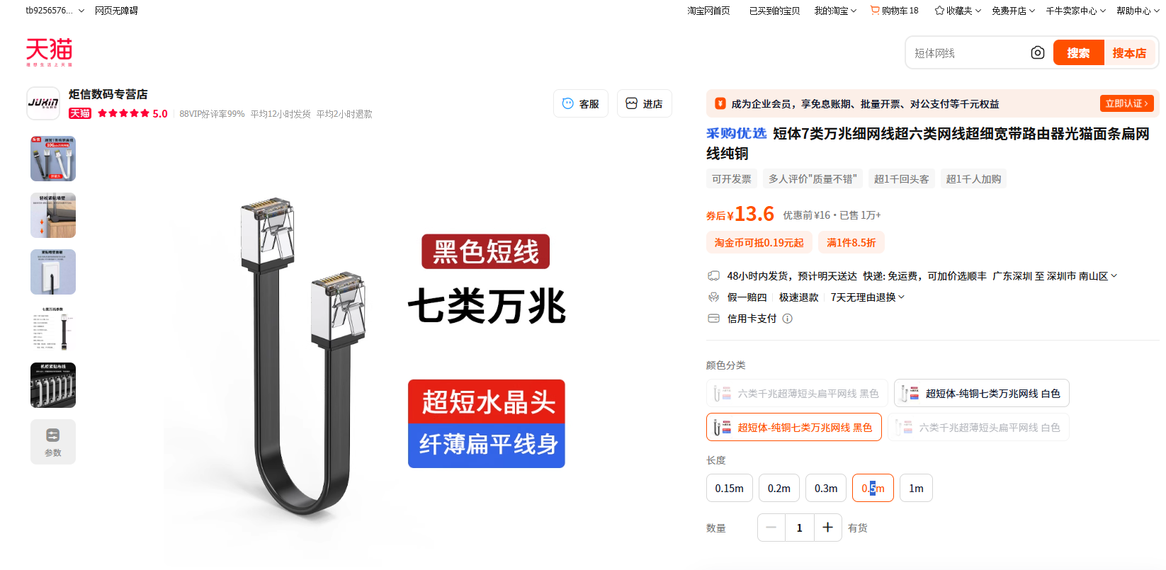 | https://detail.tmall.com/item.htm?ali_refid=a3_430673_1006%3A1109937431%3AN%3A6nHzqAD4lJsXzfWuBnLeDA%3D%3D%3A3b86c21500981edd2e272d85cf04a002&ali_trackid=1_3b86c21500981edd2e272d85cf04a002&id=802136431327&mi_id=0000bqY-C_w1on2liERhXUkIZt6GUiEKd3A0FlG0rFMrWEI&mm_sceneid=1_0_98308294_0&priceTId=2150492b17615344089676294e110a&skuId=5634116039650&spm=a21n57.sem.item.105&utparam=%7B%22aplus_abtest%22%3A%22343cebb60c9e1dfaf6c18799489bee82%22%7D&xxc=ad_ztc | 13.6 | 68
 |  |  |  |  |  | 林凯 2025.11.27

